Summary
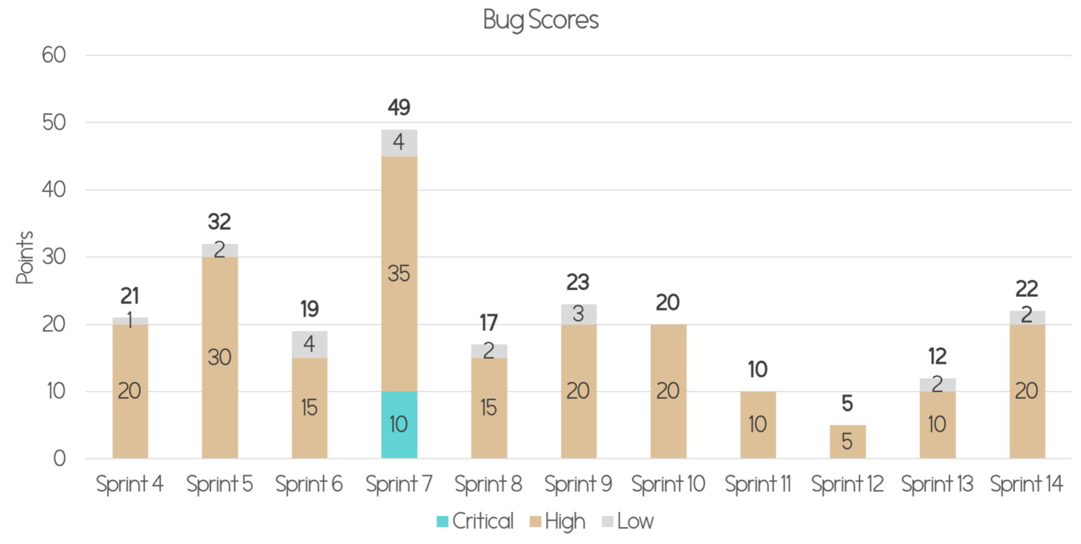
Title: Bug Metrics
Description: This document shows the final bug scores and the bug metrics

Bug Log Summay Table
Sprint | Critical | High | Low | Total
Sprint 2
Sprint 3
Sprint 4
Sprint 5
Sprint 6
Sprint 7
Sprint 8
Sprint 9

Total

Reference Table Impact Score
Severity | Description
Low Impact (1 points) | Unimportant. Typo error or small user interface alignment issues.
High Impact (5 points) | The system runs. However, some non-critical functionalities are not working.
Critical Impact(10 points) | The system is down or is un-usable after a short period of time. We have to fix the bugs to continue.
 |  |  | Severity | Description

Reference Table Mitigation Plan
Score | Description
Score <= 10 | Fix during buffer time.
10 < Score <= 20 | Fix during planned debugging time in current iteration.
Score > 20 | Halt current development and fix the bug(s) immediately. Reschedules if necessary

Total score calculation |  |  | Bug Score | Action
Formula | Total Score = # Bugs (Low) x 1 + # Bugs (High) x 5 + # Bugs (Critical) x 10

Bug Metric Graph
*To be generated once data is available, sample graph below

